Test cases
Test case number | Test case name | Description | Test Data | Test Steps | Expected Result | Actual Result | Severity | Priority | Tested By | Test Status | Test Creation Date | Test Execution Date
User Story 01-Devyani Bhosale
TS_01 | Valid Login | Opening the login screen, entering valid credentials, and verifying if the login is successful and redirects to the Opening the login screen, entering valid credentials, and verifying if the login is successful and redirects to the homepage. | Valid Username -Admin, Valid Password-admin123 | 1. Open the login screen . 2. Enter valid credentials (username and password). 3. Click on the login button. | User is logged in successfully and directed to the homepage | User is logged in successfully and directed to the homepage. | Low | High | Devyani Bhosale | Passed | 2024-02-13 | 2024-02-14
TS_02 | Invalid Username | Opening the login screen, entering an invalid username, and verifying the error message displayed. | Invalid Username-@dmin, Valid Password -admin123 | 1. Open the login screen. 2. Enter an invalid username. 3. Enter a valid password . 4. Click on the login button. | Error message indicating "Invalid username or password" is displayed. | Error message indicating "Invalid username or password" is displayed. | Medium | High | Devyani Bhosale | Passed | 2024-02-13 | 2024-02-14
TS_03 | Invalid Password | Opening the login screen, entering a valid username and an invalid password, and verifying the error message displayed | Valid Username-Admin, Invalid Password -Admin123 | 1. Open the login screen. 2. Enter a valid username. 3. Enter an invalid password. 4. Click on the login button. | Error message indicating "Invalid username or password" is displayed. | Error message indicating "Invalid username or password" is displayed.. | Medium | High | Devyani Bhosale | Passed | 2024-02-13 | 2024-02-14
TS_04 | Empty Username | Opening the login screen, leaving the username field empty, and verifying the error message displayed. | Empty Username-" ", Valid Password-admin123 | 1. Open the login screen. 2. Leave the username field empty . 3. Enter a valid password . 4. Click on the login button | Error message indicating "Username is required" is displayed. | Error message indicating "Username is required" is displayed. | Low | High | Devyani Bhosale | Passed | 2024-02-13 | 2024-02-14
TS_05 | Empty Password | Opening the login screen, leaving the password field empty, and verifying the error message displayed. | Username-Admin Password-" " | 1. Click on the "Forgot Password" link . 2. Enter the registered email address . 3. Follow the password reset instructions. | User receives a password reset link via email and can successfully reset their password | User receives a password reset link via email, but the link is expired. | Low | High | Devyani Bhosale | Passed | 2024-02-13 | 2024-02-14
TS_06 | Username Case Sensitivity | Entering a username with different cases and verifying if the login is case-sensitive. | Mixed Case Username-adMIn, Valid Password-admin123 | 1. Open the login screen. 2. Enter a username with mixed cases (e.g., "UsErNamE"). 3. Enter a valid password. 4. Click on the login button. | Login is case-sensitive, and the user should be prompted with an error message. | Login is not case-sensitive, and the user is not prompted with an error message. | Medium | Medium | Devyani Bhosale | Failed | 2024-02-13 | 2024-02-14
TS_07 | Maximum Attempts Exceeded | Entering invalid credentials multiple times and verifying if the account gets locked after reaching the maximum attempts. | Invalid Credentials (multiple times) | 1. Open the login screen . 2. Enter invalid credentials multiple times until reaching the maximum attempts. | User account gets locked after reaching the maximum attempts, and an appropriate message is displayed. | User account gets not locked after reaching the maximum attempts. | High | High | Devyani Bhosale | Failed | 2024-02-13 | 2024-02-14
TS_08 | Forgot Password Functionality | Testing the "Forgot Password" functionality and verifying if the user can successfully reset their password. | Valid Username- Admin | 1. Click on the "Forgot Password" link. 2. Enter the registered username. 3. Follow the password reset instructions. | User receives a password reset link via email and can successfully reset their password. | User not receives a password reset link via email | High | Medium | Devyani Bhosale | Failed | 2024-02-13 | 2024-02-14
TS_09 | Concurrent Login Attempts | Simultaneous login attempts from multiple devices using the same credentials and verifying system behavior. | Valid Username, Valid Password | 1. Open the login screen on multiple devices. 2. Enter valid credentials (username and password) on each device. 3. Click on the login button simultaneously. | System should allow only one active session per user and prevent concurrent login from multiple devices. | System allows concurrent login from multiple devices, leading to potential security risks. | High | High | Devyani Bhosale | Failed | 2024-02-13 | 2024-02-14
TS_10 | Login Performance Test | Load testing the login functionality with a large number of concurrent users to evaluate system performance. | Various Test Data | 1. Simulate login attempts from a large number of concurrent users. 2. Measure system response time and performance under load. | System should maintain acceptable response times and handle concurrent user logins without significant degradation in performance. | System response time I ncreases significantly under heavy load, indicating potential performance issues. | High | High | Devyani Bhosale | Failed | 2024-02-13 | 2024-02-14
User Story 02-Devyani Bhosale
TC_01 | Initiate Forgot Password | Initiating the forgot password process by entering the username and verifying if a password reset link is generated and sent. | Valid Username-Admin | 1. Open the "Forgot Password" page. 2. Enter a valid username. 3. Click on the "Submit" button. | User receives a password reset link via email.e. | User receives a password reset link via email. | Low | High | Devyani Bhosale | Passed | 2024-02-13 | 2024-02-14
TC_02 | Invalid Username Forgot Password | Initiating the forgot password process with an invalid username and verifying the error message displayed. | Invalid Username-@dmin | 1. Open the "Forgot Password" page. 2. Enter an invalid username. 3. Click on the "Submit" button. | Error message indicating "Username not found" is displayed. | The mail is sent has displyed | Minor | High | Devyani Bhosale | Failed | 2024-02-13 | 2024-02-14
TC_03 | Empty Username Forgot Password | Initiating the forgot password process by leaving the username field empty and verifying the error message displayed. | Empty Username | 1. Open the "Forgot Password" page . 2. Leave the username field empty . 3. Click on the "Submit" button | Error message indicating "Username is required" is displayed. | Error message indicating "Username is required" is displayed. | Low | High | Devyani Bhosale | Passed | 2024-02-13 | 2024-02-14
TC_04 | Receive Password Reset Link | Checking if the user receives the password reset link via email after initiating the forgot password process successfully. | Valid Email Address | 1. Check the email inbox for the password x reset link after initiating the forgot password process with a valid username. | User receives an email containing the password reset link. | User receives an email containing the password reset link. | Low | High | Devyani Bhosale | Failed | 2024-02-13 | 2024-02-14
TC_05 | Expired Password Reset Link | Testing the validity of the password reset link received by waiting for a specified duration and verifying its expiration. | Valid Password Reset Link | 1. Wait for the specified duration after receiving the password reset link. 2. Attempt to use the password reset link for resetting the password. | Password reset link should be expired and should not allow resetting the password | Password reset link is expired and does not allow resetting the password. | Medium | Medium | Devyani Bhosale | Failed | 2024-02-13 | 2024-02-14
TC_06 | Failed Password Reset Link | Testing the scenario where the user does not receive the password reset link after initiating the forgot password process. | Valid Username | 1. Open the "Forgot Password" page. 2. Enter a valid username. 3. Click on the "Submit" button. 4. Check the email inbox for the password reset link. | User does not receive the password reset link via email. | User does not receive the password reset link via email. | High | High | Devyani Bhosale | Failed | 2024-02-13 | 2024-02-14
TC_07 | Maximum Failed Password Attempts | Testing the scenario where the user exceeds the maximum number of failed password attempts and verifying the account lockout behavior. | Invalid Credentials (multiple times) | 1. Open the login screen. 2. Enter invalid credentials multiple times until reaching the maximum attempts. | User account gets locked after reaching the maximum attempts, and an appropriate message is displayed | User account gets locked after reaching the maximum attempts, but the message displayed lacks | High | High | Devyani Bhosale | Failed | 2024-02-13 | 2024-02-14

 |  |  |  |  |  |  |  |  |  |  |  |  | 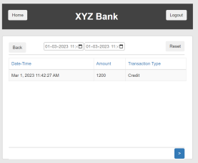

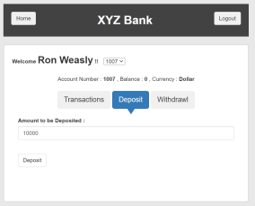

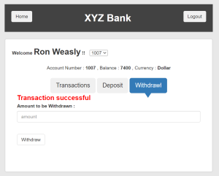

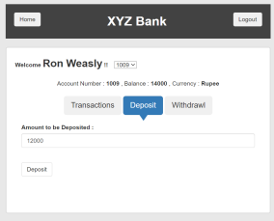
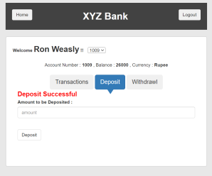

 |  |  |  |  |  |  |  |  |  |  |  |  | 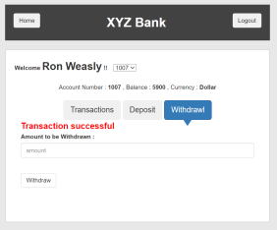 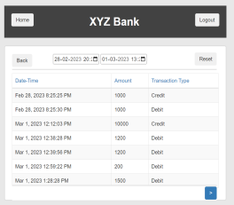 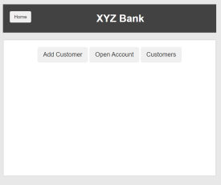
 |  |  |  |  |  |  |  |  |  |  |  |  | 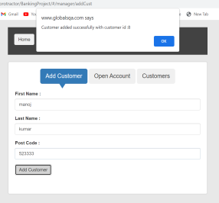

 |  |  |  |  |  |  |  |  |  |  |  |  | 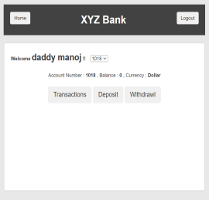

 |  |  |  |  |  |  |  |  |  |  |  |  | 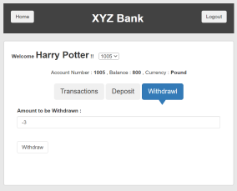

Test excution details
Test case number | Test case name | Test Execution Status | Test Execution Date | Snapshots
User Story -01 Devyani Bhosale
TC_01 | Valid Login | Passed | 2024-02-14 | 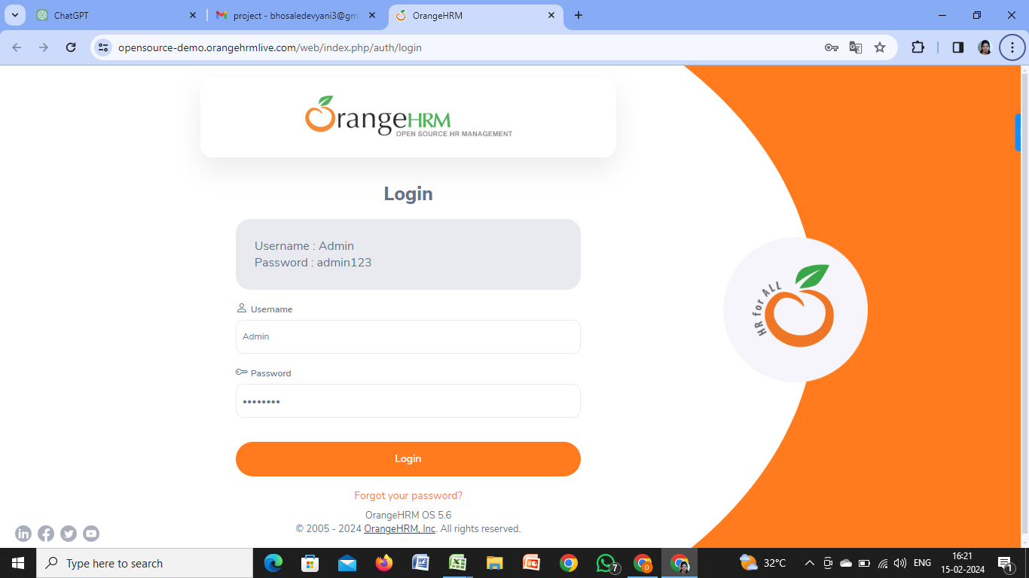 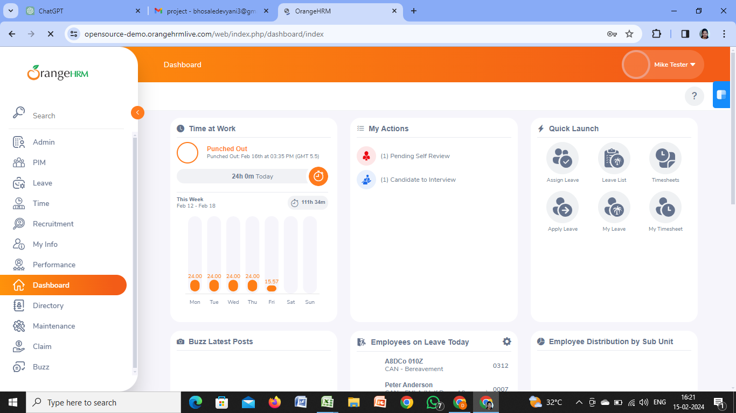
TC_02 | Invalid Username | Passed | 2024-02-14
TC_03 | Invalid Password | Passed | 2024-02-14
TC_04 | Empty Username | Passed | 2024-02-14
TC_05 | Empty Password | Passed | 2024-02-14 | 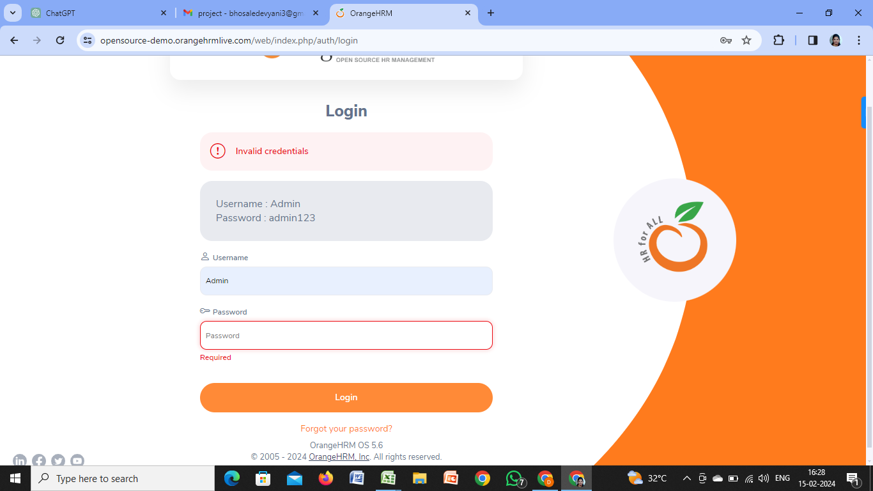
TC_06 | Username Case Sensitivity | Failed | 2024-02-14
TC_07 | Maximum Attempts Exceeded | Failed | 2024-02-14
TC_08 | Forgot Password Functionality | Failed | 2024-02-14 | 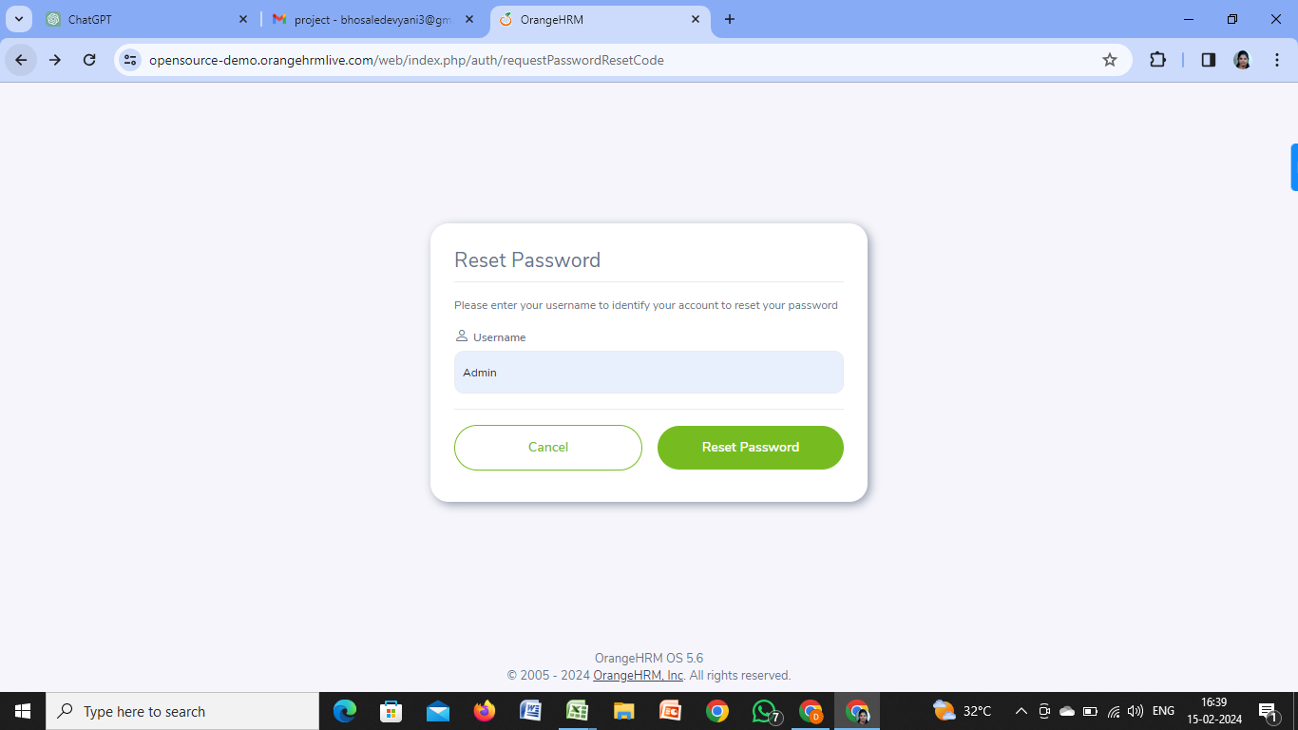 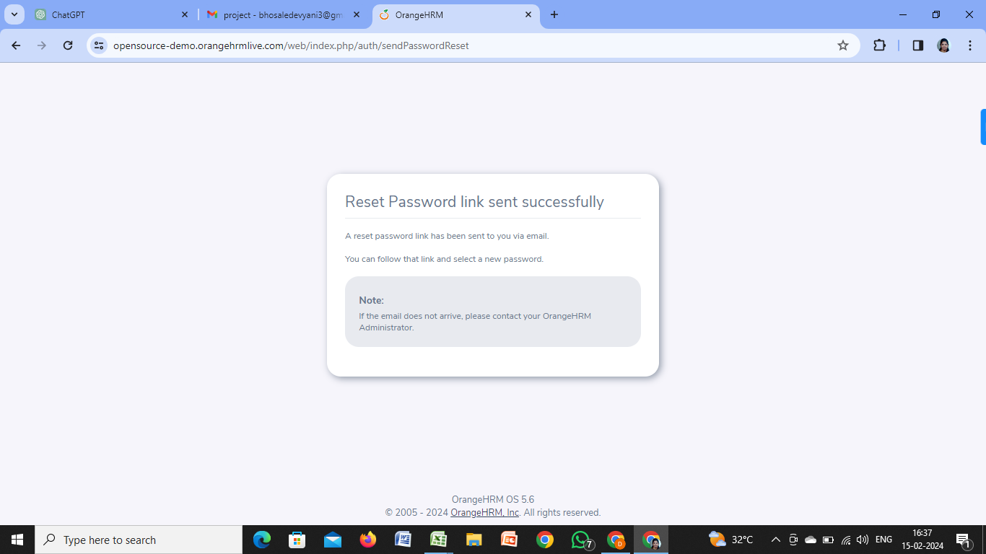
TC_09 | Concurrent Login Attempts | Failed | 2024-02-14 | 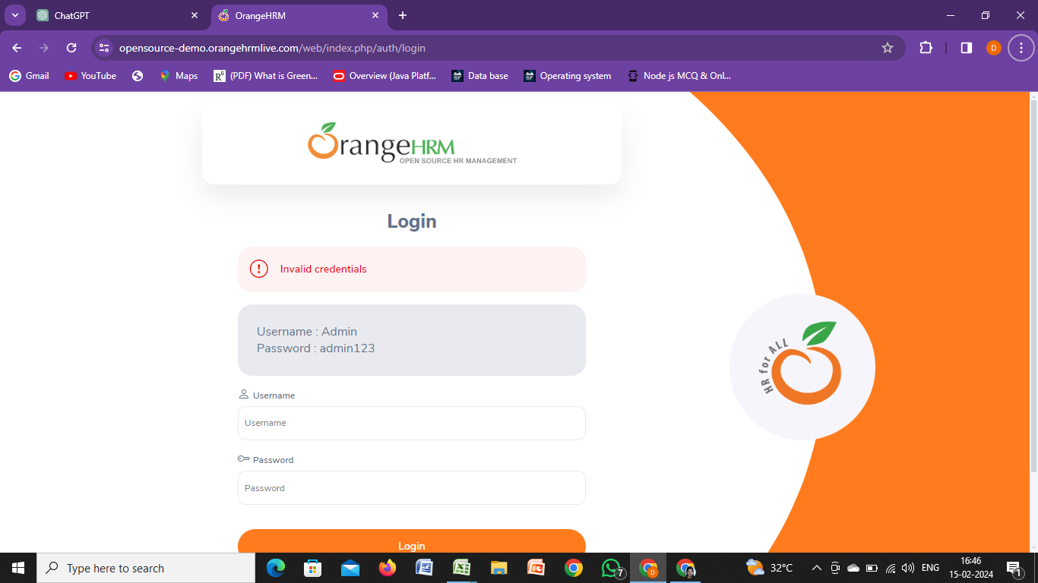
TC_10 | Login Performance Test | Failed | 2024-02-14 | 
User Story -02 Devyani Bhosale
TC_01 | Initiate Forgot Password | Passed | 2024-02-14
TC_02 | Invalid Username Forgot Password | Failed | 2024-02-14 |  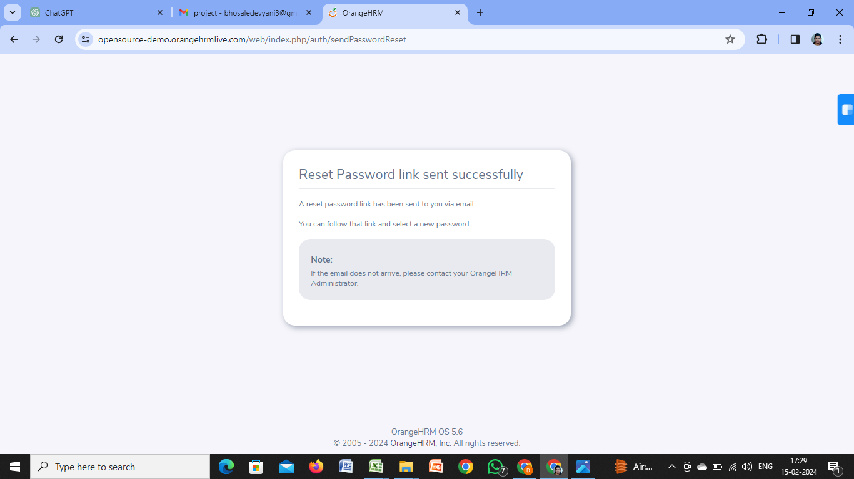
TC_03 | Empty Username Forgot Password | Passed | 2024-02-14
TC_04 | Expired Password Reset Link | Failed | 2024-02-14 | 
TC_05 | Expired Password Reset Link | Failed | 2024-02-14
TC_06 | Failed Password Reset Link | Failed | 2024-02-14
TC_07 | Maximum Failed Password Attempts | Failed | 2024-02-14

